Mind Map
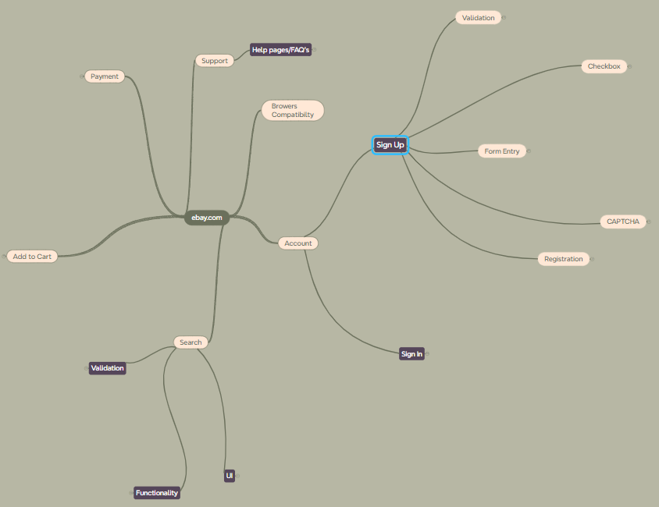

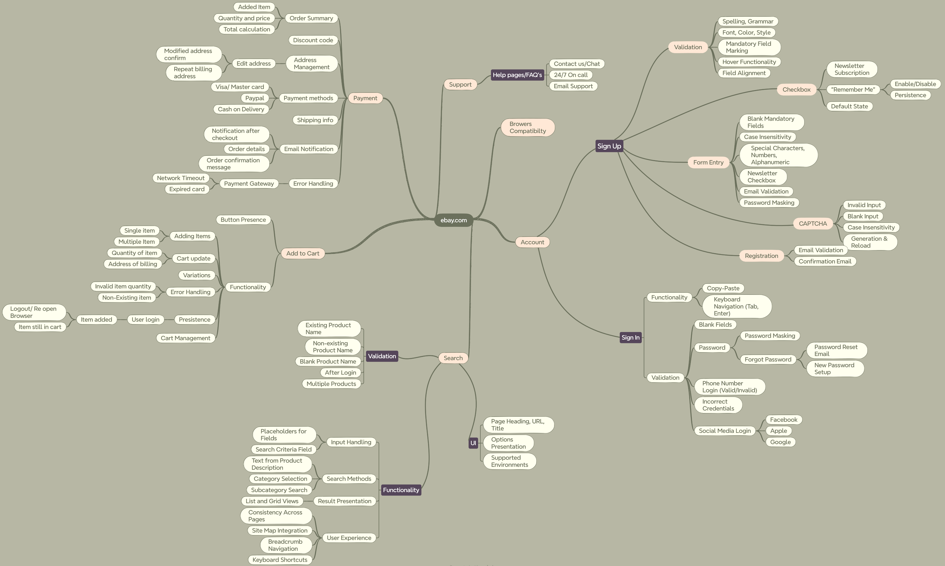

Test Summary
Sign up & in
Test Case Report |  |  |  |  |  | Total No. | Status
Project Name | ebay
Module Name | Account. |  |  |  |  | 57 | PASS
Feature Name | Sign Up & Sign In |  |  |  |  | 7 | FAIL
Test Case Version | 1 |  |  |  |  | 1 | Not Executed
Written By | Abdul Muyeez |  |  |  |  | 0 | Out of Scope
Executed By | Abdul Muyeez
Reviewed By
TEST EXECUTION REPORT

Test Case | PASS | FAIL | Not Executed | Out Of Scope | Total TC
 | 57 | 7 | 1 | 0 | 65
Grand Total | 57 | 7 | 1 | 0 | 65

Search & add to cart
Test Case Report |  |  |  |  |  | Total No. | Status
Project Name | ebay
Module Name | Account. |  |  |  |  | 27 | PASS
Feature Name | Search & Add to Cart |  |  |  |  | 2 | FAIL
Test Case Version | 1 |  |  |  |  | 1 | Not Executed
Written By | Abdul Muyeez |  |  |  |  | 0 | Out of Scope
Executed By | Abdul Muyeez
Reviewed By
TEST EXECUTION REPORT

Test Case | PASS | FAIL | Not Executed | Out Of Scope | Total TC
 | 27 | 2 | 1 | 0 | 30
Grand Total | 27 | 2 | 1 | 0 | 30

Test Case Report |  |  |  |  |  | Total No. | Status
Project Name | ebay
Module Name | Account. |  |  |  |  | 9 | PASS
Feature Name | Payment |  |  |  |  | 1 | FAIL
Test Case Version | 1 |  |  |  |  | 2 | Not Executed
Written By | Abdul Muyeez |  |  |  |  | 0 | Out of Scope
Executed By | Abdul Muyeez
Reviewed By
TEST EXECUTION REPORT

Test Case | PASS | FAIL | Not Executed | Out Of Scope | Total TC
 | 9 | 1 | 2 | 0 | 12
Grand Total | 9 | 1 | 2 | 0 | 12

